TOTAL
Alkalmazott szűrők: Highlighted nem egyezik ezzel: (Üres) Arrival_date ekkori vagy későbbi a következőnél: 2026.04.20. 0:00:00 és dátuma korábbi, mint 2026.04.27. 0:00:00 Mandatory egyezik ezzel: Yes LSP egyezik ezzel: Maersk Canceled_shipment egyezik ezzel: N

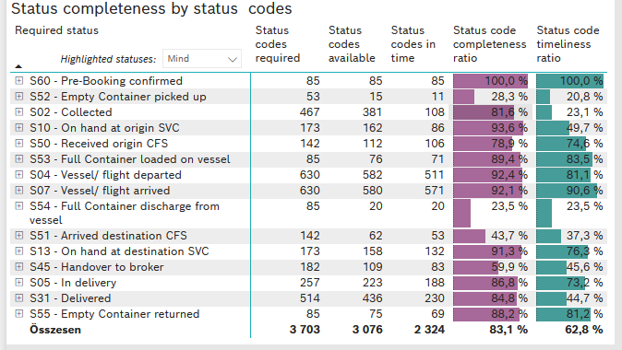
Required status | STATUS_TYPE | Service_Provider | Status codes required | Status codes available | Status codes in time | Status code completeness ratio | Status code timeliness ratio
S60 - Pre-Booking confirmed | Actual | 0000056066 - Maersk | 85 | 85 | 85 | 100.0 % | 100.0 %
S52 - Empty Container picked up | Actual | 0000056066 - Maersk | 53 | 15 | 11 | 28.3 % | 20.8 %
S02 - Collected | Actual | 0000056066 - Maersk | 260 | 201 | 108 | 77.3 % | 41.5 %
S02 - Collected | Estimated | 0000056066 - Maersk | 207 | 180 | 0 | 87.0 % | 0.0 %
S10 - On hand at origin SVC | Actual | 0000056066 - Maersk | 173 | 162 | 86 | 93.6 % | 49.7 %
S50 - Received origin CFS | Actual | 0000056066 - Maersk | 142 | 112 | 106 | 78.9 % | 74.6 %
S53 - Full Container loaded on vessel | Actual | 0000056066 - Maersk | 85 | 76 | 71 | 89.4 % | 83.5 %
S04 - Vessel/ flight departed | Actual | 0000056066 - Maersk | 315 | 289 | 266 | 91.7 % | 84.4 %
S04 - Vessel/ flight departed | Estimated | 0000056066 - Maersk | 315 | 293 | 245 | 93.0 % | 77.8 %
S07 - Vessel/ flight arrived | Actual | 0000056066 - Maersk | 315 | 286 | 286 | 90.8 % | 90.8 %
S07 - Vessel/ flight arrived | Estimated | 0000056066 - Maersk | 315 | 294 | 285 | 93.3 % | 90.5 %
S54 - Full Container discharge from vessel | Actual | 0000056066 - Maersk | 85 | 20 | 20 | 23.5 % | 23.5 %
S51 - Arrived destination CFS | Actual | 0000056066 - Maersk | 142 | 62 | 53 | 43.7 % | 37.3 %
S13 - On hand at destination SVC | Actual | 0000056066 - Maersk | 173 | 158 | 132 | 91.3 % | 76.3 %
S45 - Handover to broker | Actual | 0000056066 - Maersk | 91 | 55 | 52 | 60.4 % | 57.1 %
S45 - Handover to broker | Estimated | 0000056066 - Maersk | 91 | 54 | 31 | 59.3 % | 34.1 %
S05 - In delivery | Actual | 0000056066 - Maersk | 257 | 223 | 188 | 86.8 % | 73.2 %
S31 - Delivered | Actual | 0000056066 - Maersk | 257 | 210 | 95 | 81.7 % | 37.0 %
S31 - Delivered | Estimated | 0000056066 - Maersk | 257 | 226 | 135 | 87.9 % | 52.5 %
S55 - Empty Container returned | Actual | 0000056066 - Maersk | 85 | 75 | 69 | 88.2 % | 81.2 %

BCO
Alkalmazott szűrők: Highlighted nem egyezik ezzel: (Üres) Arrival_date ekkori vagy későbbi a következőnél: 2026.04.20. 0:00:00 és dátuma korábbi, mint 2026.04.27. 0:00:00 Mandatory egyezik ezzel: Yes LSP egyezik ezzel: Maersk Service_Load egyezik ezzel: BCO Canceled_shipment egyezik ezzel: N
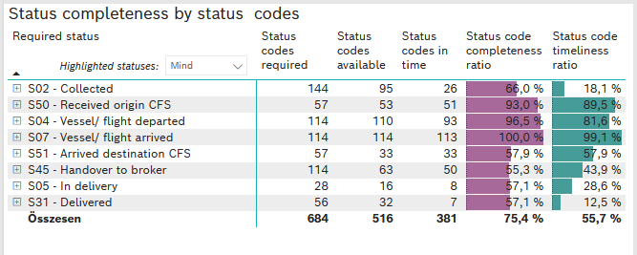
Required status | STATUS_TYPE | Service_Provider | Status codes required | Status codes available | Status codes in time | Status code completeness ratio | Status code timeliness ratio
S02 - Collected | Actual | 0000056066 - Maersk | 72 | 46 | 26 | 63.9 % | 36.1 %
S02 - Collected | Estimated | 0000056066 - Maersk | 72 | 49 | 0 | 68.1 % | 0.0 %
S50 - Received origin CFS | Actual | 0000056066 - Maersk | 57 | 53 | 51 | 93.0 % | 89.5 %
S04 - Vessel/ flight departed | Actual | 0000056066 - Maersk | 57 | 55 | 48 | 96.5 % | 84.2 %
S04 - Vessel/ flight departed | Estimated | 0000056066 - Maersk | 57 | 55 | 45 | 96.5 % | 78.9 %
S07 - Vessel/ flight arrived | Actual | 0000056066 - Maersk | 57 | 57 | 57 | 100.0 % | 100.0 %
S07 - Vessel/ flight arrived | Estimated | 0000056066 - Maersk | 57 | 57 | 56 | 100.0 % | 98.2 %
S51 - Arrived destination CFS | Actual | 0000056066 - Maersk | 57 | 33 | 33 | 57.9 % | 57.9 %
S45 - Handover to broker | Actual | 0000056066 - Maersk | 57 | 33 | 33 | 57.9 % | 57.9 %
S45 - Handover to broker | Estimated | 0000056066 - Maersk | 57 | 30 | 17 | 52.6 % | 29.8 %
S05 - In delivery | Actual | 0000056066 - Maersk | 28 | 16 | 8 | 57.1 % | 28.6 %
S31 - Delivered | Actual | 0000056066 - Maersk | 28 | 16 | 7 | 57.1 % | 25.0 %
S31 - Delivered | Estimated | 0000056066 - Maersk | 28 | 16 | 0 | 57.1 % | 0.0 %

FCL
Alkalmazott szűrők: Highlighted nem egyezik ezzel: (Üres) Arrival_date ekkori vagy későbbi a következőnél: 2026.04.20. 0:00:00 és dátuma korábbi, mint 2026.04.27. 0:00:00 Mandatory egyezik ezzel: Yes LSP egyezik ezzel: Maersk Service_Load egyezik ezzel: FCL Canceled_shipment egyezik ezzel: N
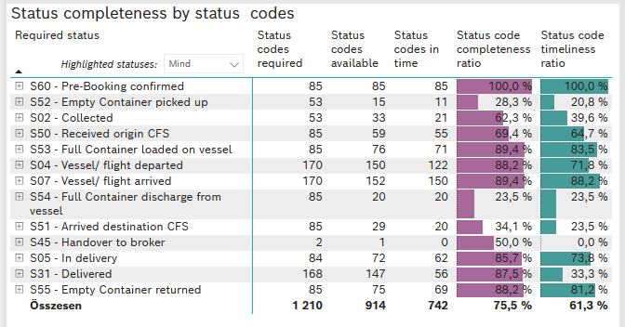
Required status | STATUS_TYPE | Service_Provider | Status codes required | Status codes available | Status codes in time | Status code completeness ratio | Status code timeliness ratio
S60 - Pre-Booking confirmed | Actual | 0000056066 - Maersk | 85 | 85 | 85 | 100.0 % | 100.0 %
S52 - Empty Container picked up | Actual | 0000056066 - Maersk | 53 | 15 | 11 | 28.3 % | 20.8 %
S02 - Collected | Actual | 0000056066 - Maersk | 53 | 33 | 21 | 62.3 % | 39.6 %
S50 - Received origin CFS | Actual | 0000056066 - Maersk | 85 | 59 | 55 | 69.4 % | 64.7 %
S53 - Full Container loaded on vessel | Actual | 0000056066 - Maersk | 85 | 76 | 71 | 89.4 % | 83.5 %
S04 - Vessel/ flight departed | Actual | 0000056066 - Maersk | 85 | 76 | 71 | 89.4 % | 83.5 %
S04 - Vessel/ flight departed | Estimated | 0000056066 - Maersk | 85 | 74 | 51 | 87.1 % | 60.0 %
S07 - Vessel/ flight arrived | Actual | 0000056066 - Maersk | 85 | 75 | 75 | 88.2 % | 88.2 %
S07 - Vessel/ flight arrived | Estimated | 0000056066 - Maersk | 85 | 77 | 75 | 90.6 % | 88.2 %
S54 - Full Container discharge from vessel | Actual | 0000056066 - Maersk | 85 | 20 | 20 | 23.5 % | 23.5 %
S51 - Arrived destination CFS | Actual | 0000056066 - Maersk | 85 | 29 | 20 | 34.1 % | 23.5 %
S45 - Handover to broker | Actual | 0000056066 - Maersk | 1 | 0 | 0 | 0.0 % | 0.0 %
S45 - Handover to broker | Estimated | 0000056066 - Maersk | 1 | 1 | 0 | 100.0 % | 0.0 %
S05 - In delivery | Actual | 0000056066 - Maersk | 84 | 72 | 62 | 85.7 % | 73.8 %
S31 - Delivered | Actual | 0000056066 - Maersk | 84 | 73 | 49 | 86.9 % | 58.3 %
S31 - Delivered | Estimated | 0000056066 - Maersk | 84 | 74 | 7 | 88.1 % | 8.3 %
S55 - Empty Container returned | Actual | 0000056066 - Maersk | 85 | 75 | 69 | 88.2 % | 81.2 %

LCL
Alkalmazott szűrők: Highlighted nem egyezik ezzel: (Üres) Arrival_date ekkori vagy későbbi a következőnél: 2026.04.20. 0:00:00 és dátuma korábbi, mint 2026.04.27. 0:00:00 Mandatory egyezik ezzel: Yes LSP egyezik ezzel: Maersk Service_Load egyezik ezzel: LCL Canceled_shipment egyezik ezzel: N

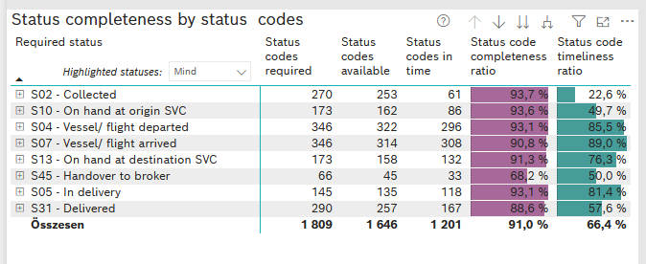
Required status | STATUS_TYPE | Service_Provider | Status codes required | Status codes available | Status codes in time | Status code completeness ratio | Status code timeliness ratio
S02 - Collected | Actual | 0000056066 - Maersk | 135 | 122 | 61 | 90.4 % | 45.2 %
S02 - Collected | Estimated | 0000056066 - Maersk | 135 | 131 | 0 | 97.0 % | 0.0 %
S10 - On hand at origin SVC | Actual | 0000056066 - Maersk | 173 | 162 | 86 | 93.6 % | 49.7 %
S04 - Vessel/ flight departed | Actual | 0000056066 - Maersk | 173 | 158 | 147 | 91.3 % | 85.0 %
S04 - Vessel/ flight departed | Estimated | 0000056066 - Maersk | 173 | 164 | 149 | 94.8 % | 86.1 %
S07 - Vessel/ flight arrived | Actual | 0000056066 - Maersk | 173 | 154 | 154 | 89.0 % | 89.0 %
S07 - Vessel/ flight arrived | Estimated | 0000056066 - Maersk | 173 | 160 | 154 | 92.5 % | 89.0 %
S13 - On hand at destination SVC | Actual | 0000056066 - Maersk | 173 | 158 | 132 | 91.3 % | 76.3 %
S45 - Handover to broker | Actual | 0000056066 - Maersk | 33 | 22 | 19 | 66.7 % | 57.6 %
S45 - Handover to broker | Estimated | 0000056066 - Maersk | 33 | 23 | 14 | 69.7 % | 42.4 %
S05 - In delivery | Actual | 0000056066 - Maersk | 145 | 135 | 118 | 93.1 % | 81.4 %
S31 - Delivered | Actual | 0000056066 - Maersk | 145 | 121 | 39 | 83.4 % | 26.9 %
S31 - Delivered | Estimated | 0000056066 - Maersk | 145 | 136 | 128 | 93.8 % | 88.3 %

